Sheet2
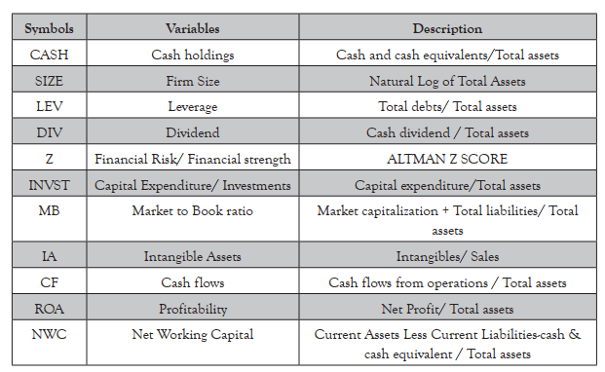
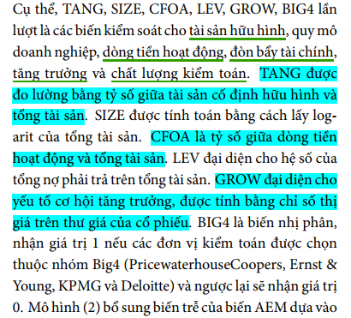
Determinants of Cash Holding of Listed Manufacturing Companies in the Indonesian Stock Exchange
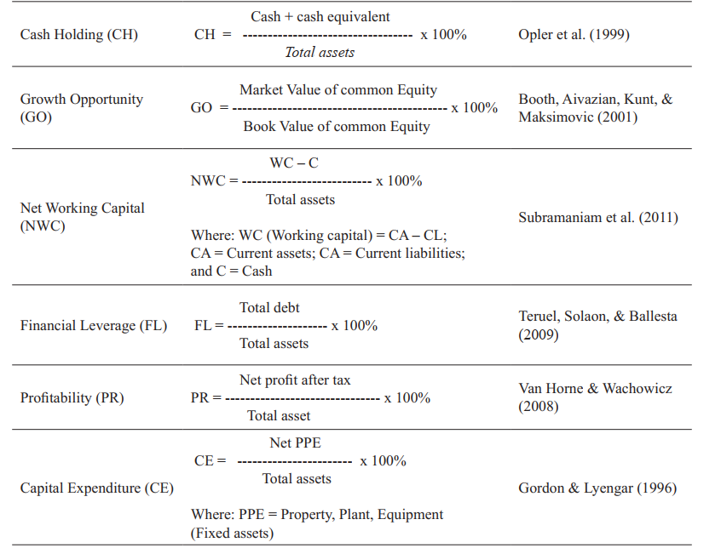

 | The Determinants of Cash Holdings around Different Regions of the World

